Overview
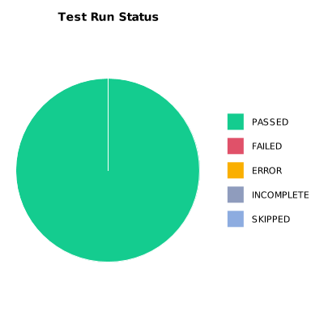
EXECUTION SUMMARY
Test Run ID | 1142
Status | PASSED
Organization | FIT@HCMUS
Team | First Team
Project | First Project
By | Cao Qui
Start Time | 01/09/2024 03:47:10 +00:00
Duration | 0:03:01.592

TEST RESULTS
Total test results | 17
Passed | 17
Failed | 0
Error | 0
Incomplete | 0
Skipped | 0

